Sheet1
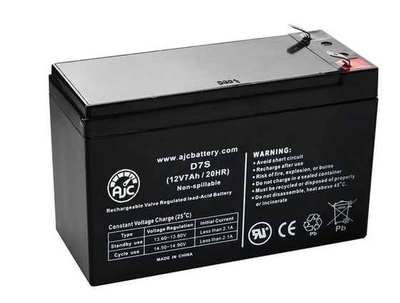
Gravity Ventilator UPS

component | voltage | power |  | comment

arduino | 5 or 12 | 1 |  | less than 1W
h bridge | ? | 2 |  | my guess
solenoid | 12 | 4 |  | current valve is 8 watts but assume 50% duty cycle?
sensors | 5 | 1 |  | a few sensors and each may be ~ 100 mA
leds | 3 | 2 |  | assume some status leds showing valve position etc
solenoid |  | 8 |  | NC master solenoid to connect system to supply?

total |  | 18 | watts
battery | 12 |  | voltage
time | 180 |  | minutes
hours |  | 3

run amperes |  | 1.50 | A
required amp hours |  | 4.5 | Ah
 |  | 4500 | mAh

12 volt sealed AGM battery: |  | 7000 | mAh
https://batteryclerk.ca/products/ajc-12v-7ah-sealed-lead-acid-agm-vrla-battery?ls=en

